Design Standard Diagrams
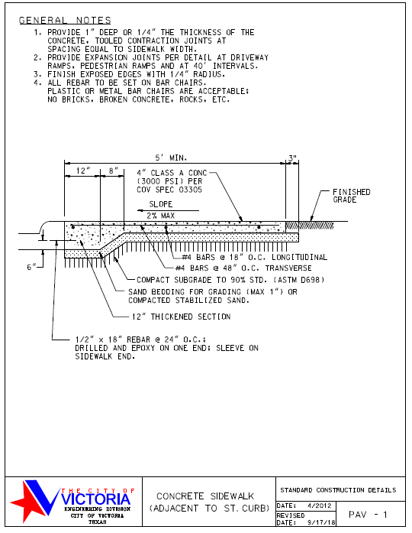
Design Guidelines and Stadard Details | p. 37

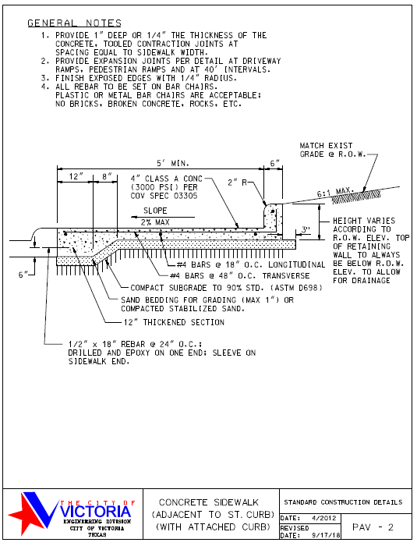
Design Guidelines and Stadard Details | p. 38

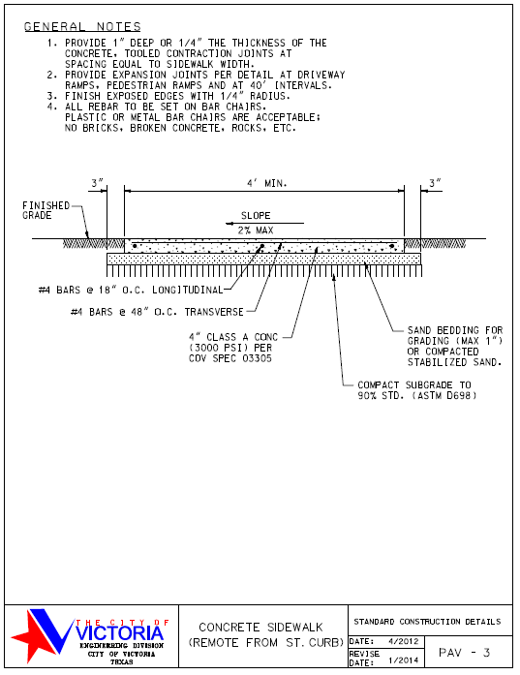
Design Guidelines and Stadard Details | p. 39

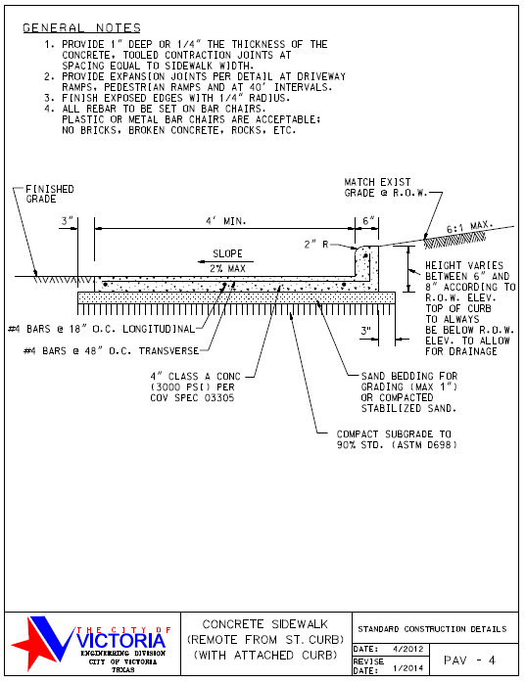
Design Guidelines and Stadard Details | p. 40

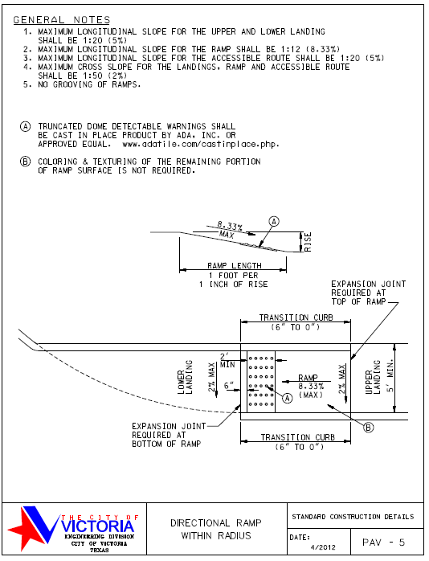
Design Guidelines and Stadard Details | p. 41

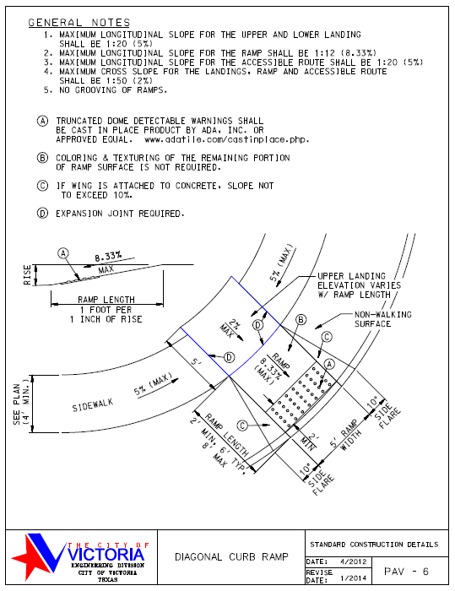
Design Guidelines and Stadard Details | p. 42

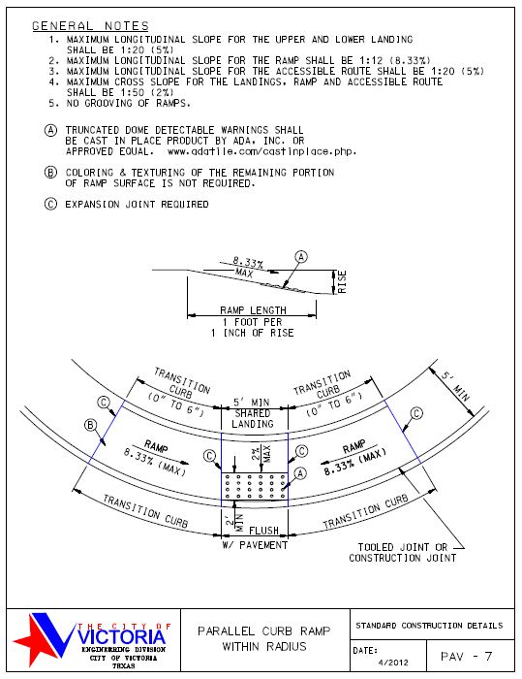
Design Guidelines and Stadard Details | p. 43

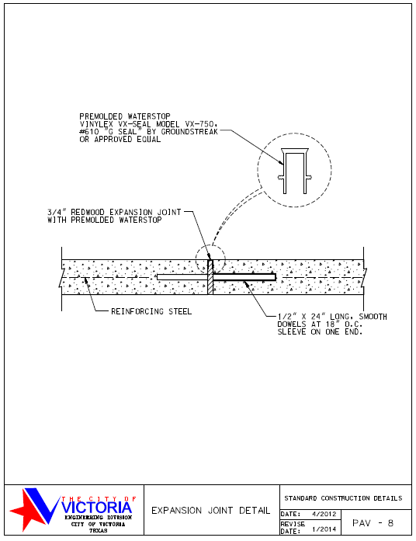
Design Guidelines and Stadard Details | p. 44

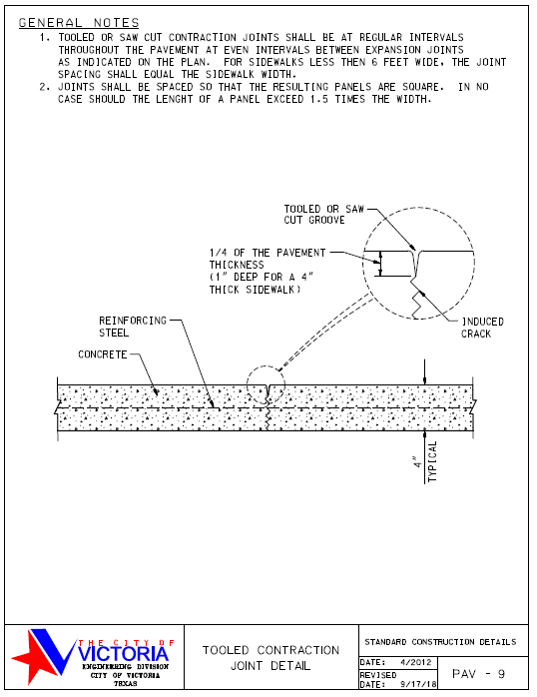
Design Guidelines and Stadard Details | p. 45

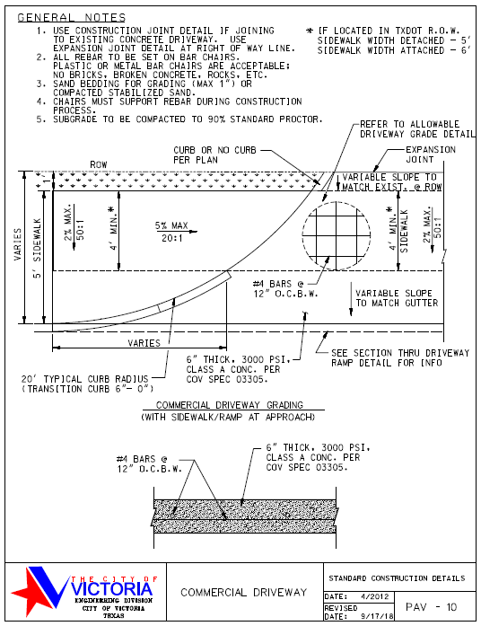
Design Guidelines and Stadard Details | p. 46

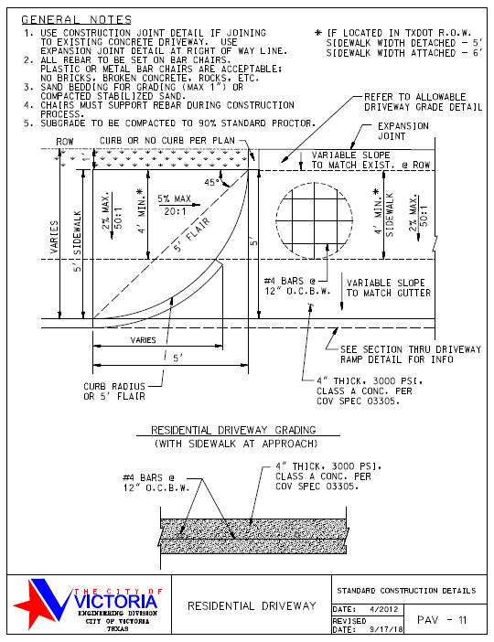
Design Guidelines and Stadard Details | p. 47

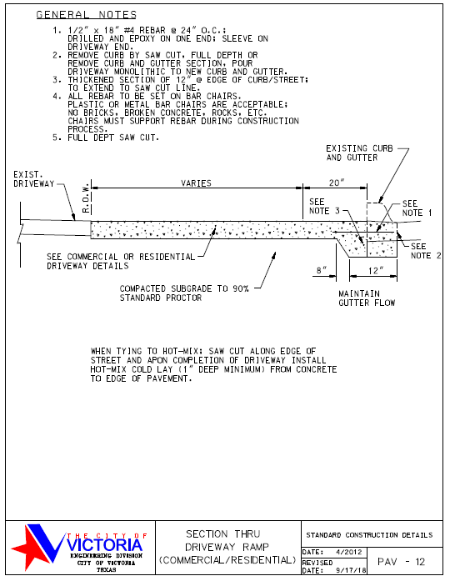
Design Guidelines and Stadard Details | p. 48

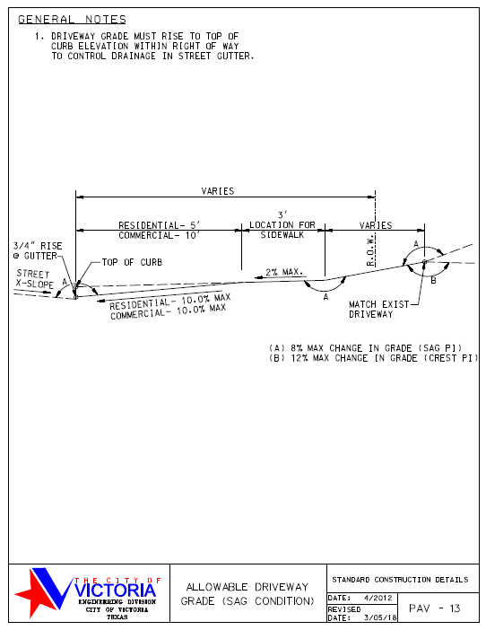
Design Guidelines and Stadard Details | p. 49

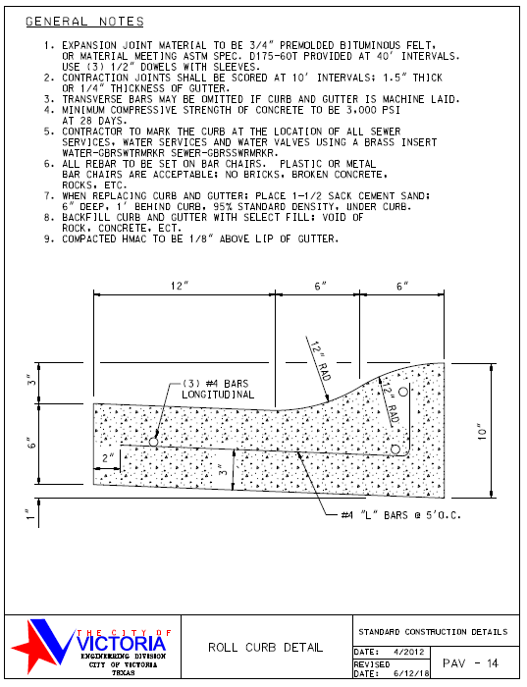
Design Guidelines and Stadard Details | p. 50

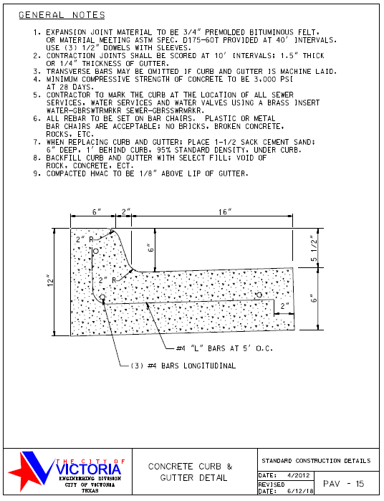
Design Guidelines and Stadard Details | p. 51

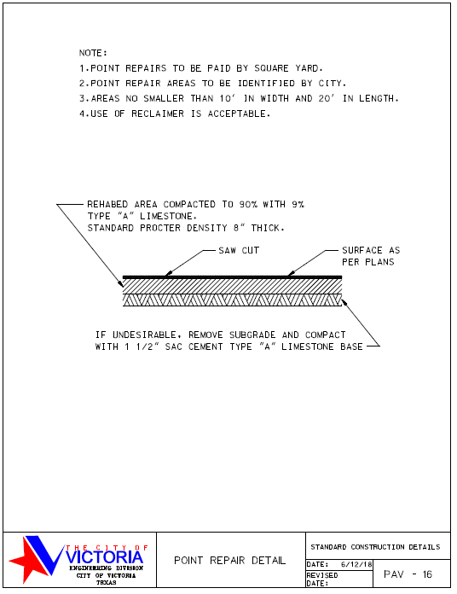
Design Guidelines and Stadard Details | p. 52

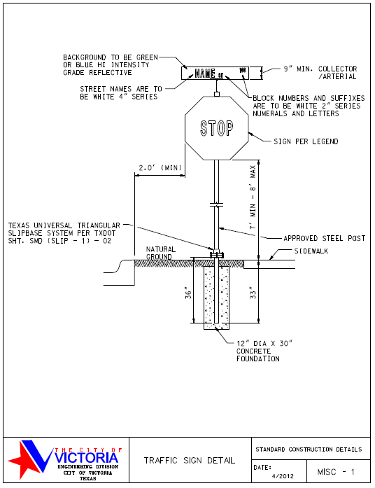
Design Guidelines and Stadard Details | p.68

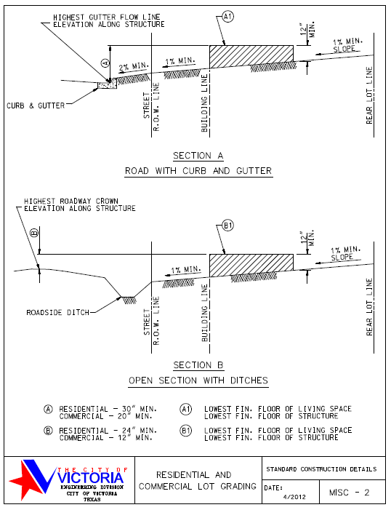
Design Guidelines and Stadard Details | p.69

Base Pavement
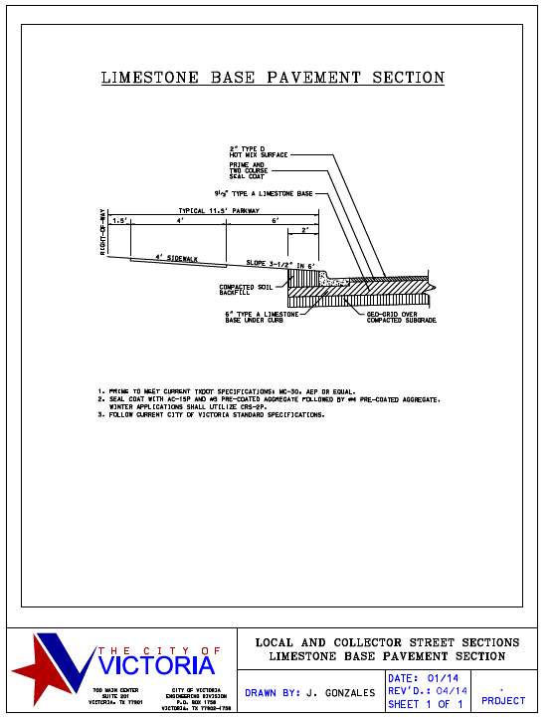
City of Victoria Public Works Standard Specifications | p. 1

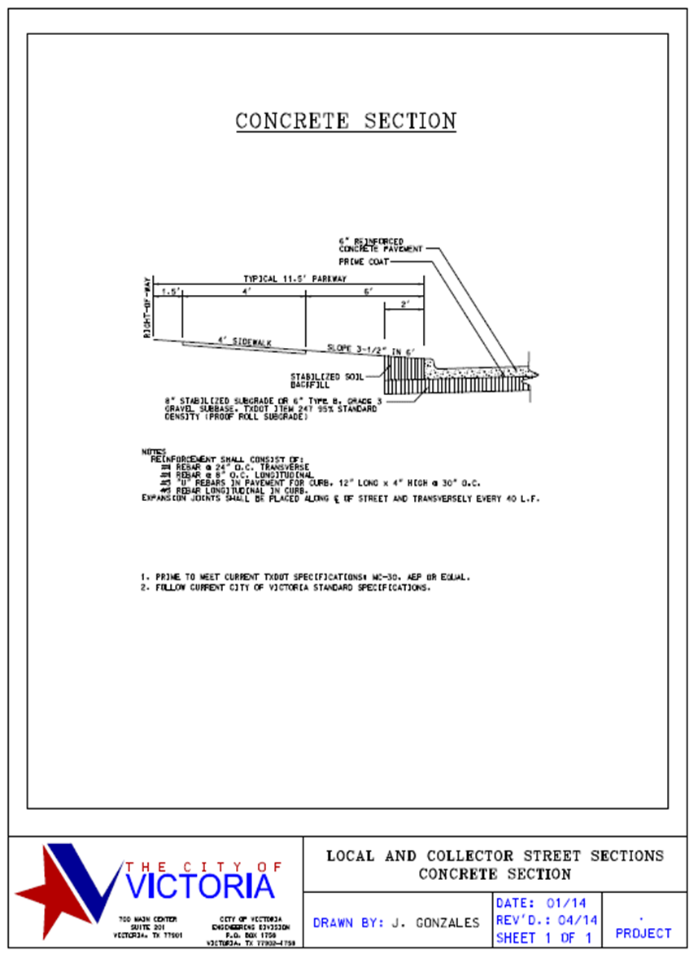
City of Victoria Public Works Standard Specifications | p. 2

Minimum Driveway Clearance
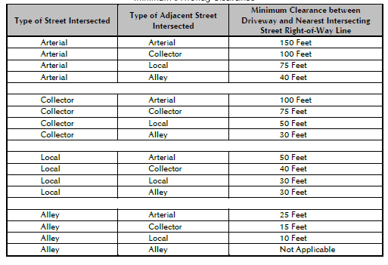
City of Victoria Driveway Construction | p.4

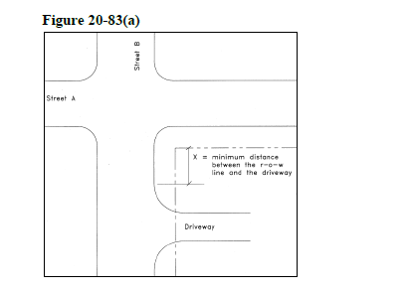
City of Victoria Driveway Construction | p.4

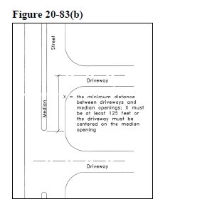
City of Victoria Driveway Construction | p.5

City of Victoria Driveway Construction | p.5
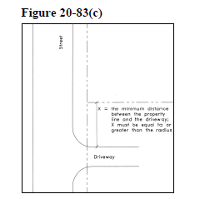

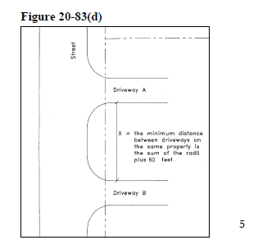
City of Victoria Driveway Construction | p.5

Driveway Widths
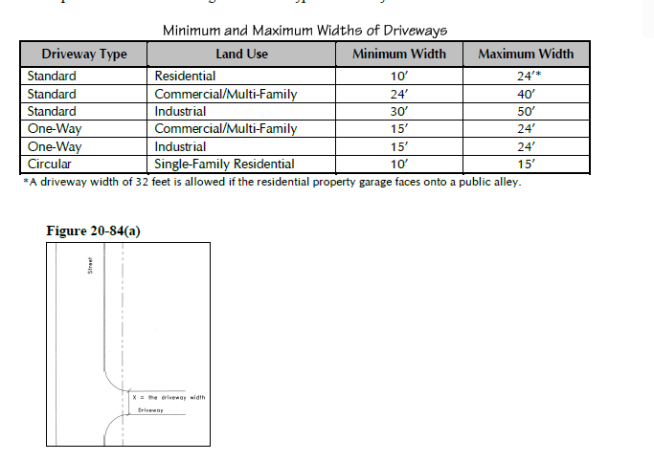
City of Victoria Driveway Construction | p.6

City of Victoria Driveway Construction | p.6

City of Victoria Driveway Construction | p.6

Curb Radii
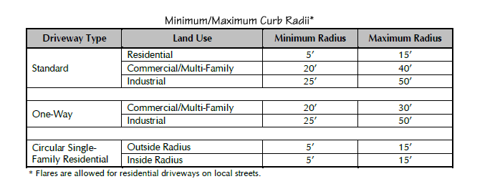
City of Victoria Driveway Construction | p.7

Driveway Internal Storage
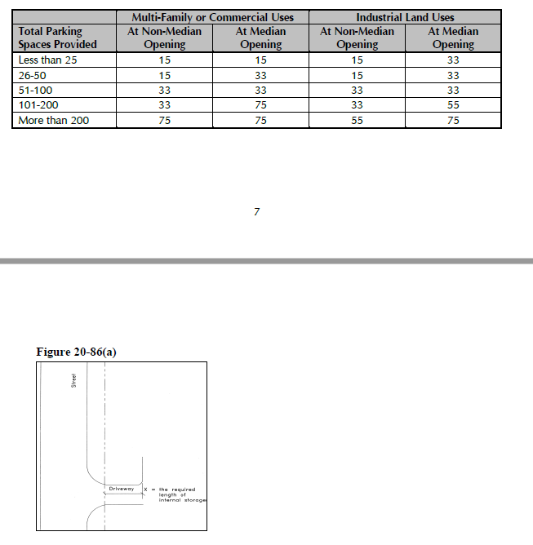
City of Victoria Driveway Construction | p.7

City of Victoria Driveway Construction | p.8

Intersection Angles
City of Victoria Driveway Construction | p.8
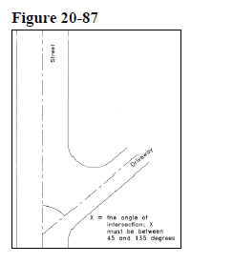

Max Driveway Grade
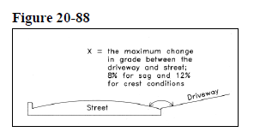
City of Victoria Driveway Construction | p.9

CoV Street Standards
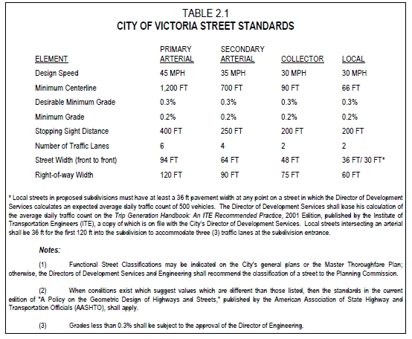
Subdivision Ordinance | p. 39
Subdivision Ordinance
Subdivision Ordinance
Subdivision Ordinance

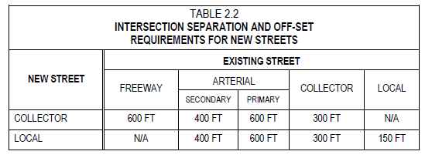
Subdivision Ordinance | p. 43

Rural Subdivision St Standards
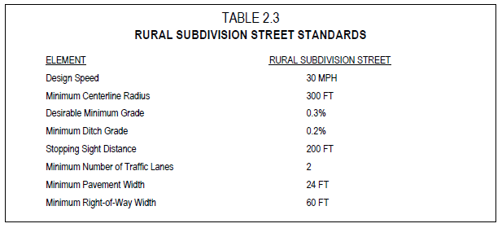
Subdivision ordinance, p. 58

Rural Subdivision Street and Di
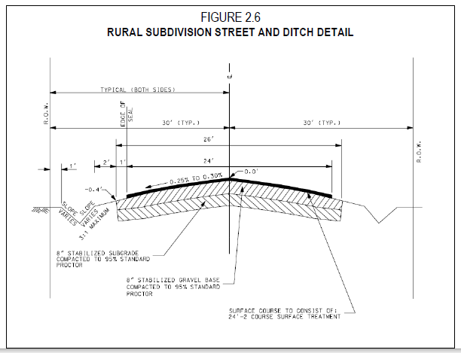
Subdivision ordinance, p. 59

Turning Diagram
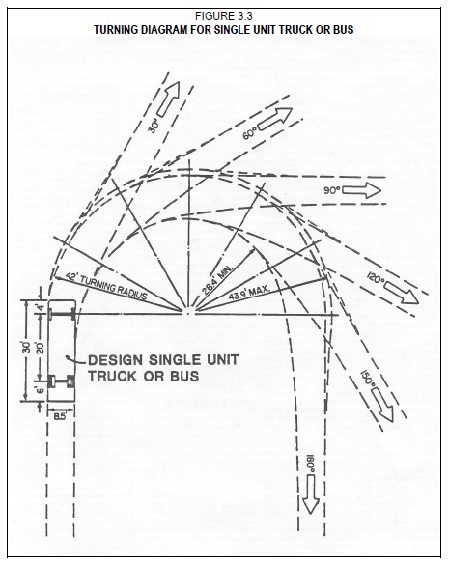
Subdivision Ordinance | p. 85

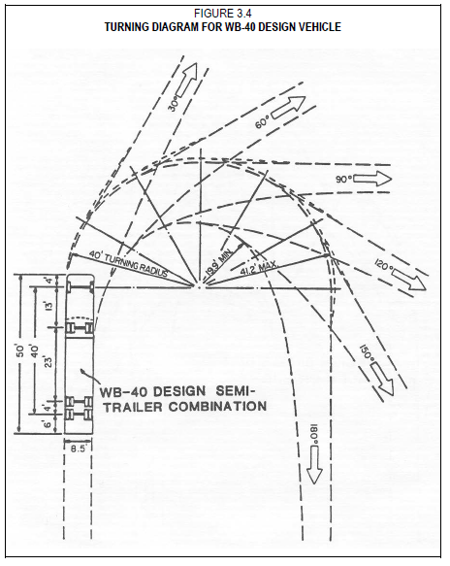
Subdivision Ordinance | p. 86

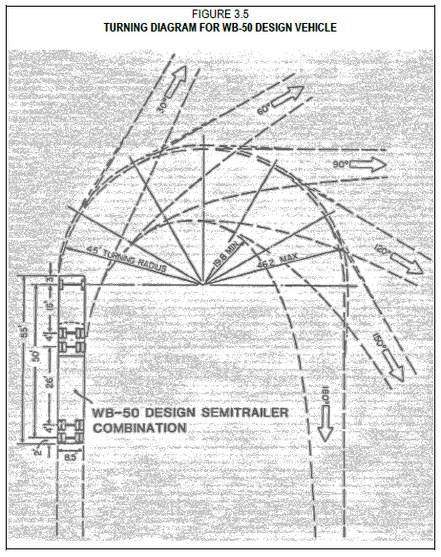
Subdivision Ordinance | p. 87

